JUnit
JUNIT

1. Khái quát
 | - Junit là một phần của họ kiến trúc xUnit dùng cho việc tạo các unit testing và test trong java
 | - Junit là môt framework đơn giản dùng cho việc tạo các unit testing tự động
 | - Chạy các test có thể lặp đi lặp lại

 | - Các testcase của Junit là các lớp của Java, các lớp này bao gồm 1 hay nhiều các phương thức unit testing,
 | các test này được nhóm lại thành TestSuite
 | - Các assert thường dùng trong Junit:
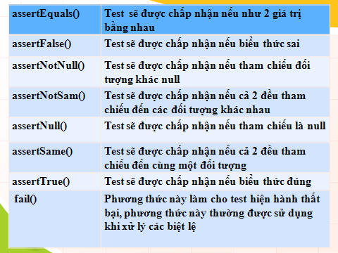

2. Cách tạo Junit test
 | Bước 1: tạo một maven project => update file pom.xml:
 |  | - Add dependencies junit
 |  |  | <dependencies>
 |  |  | <dependency>
 |  |  | <groupId>junit</groupId>
 |  |  | <artifactId>junit</artifactId>
 |  |  | <version>4.11</version>
 |  |  | </dependency>
 |  |  | </dependencies>

 | Bước 2: tạo test unit
 |  | 1. Class cần test
 |  |  | package demo.junit_test;

 |  |  | public class Person {
 |  |  |  | private String name;
 |  |  |  | private Integer age;

 |  |  |  | public Person(String name, Integer age){
 |  |  |  |  | this.name = name;
 |  |  |  |  | this.age = age;
 |  |  |  | }

 |  |  |  | public String getName() {
 |  |  |  |  | return name;
 |  |  |  | }
 |  |  |  | public void setName(String name) {
 |  |  |  |  | this.name = name;
 |  |  |  | }

 |  |  |  | public Integer getAge() {
 |  |  |  |  | return age;
 |  |  |  | }

 |  |  |  | public void setAge(Integer age) {
 |  |  |  |  | this.age = age;
 |  |  |  | }

 |  |  |  | public String persionInfo(){
 |  |  |  |  | return "My name is " + name + ", I'm " + age + " years old !!!";
 |  |  |  | }
 |  |  | }

 |  | 2. Test unit tương ứng:

 |  |  | package demo.junit_test;
 |  |  | import org.junit.Before;
 |  |  | import org.junit.Test;
 |  |  | import static org.junit.Assert.*;

 |  |  | public class TestPerson {
 |  |  |  | Person person;

 |  |  |  | @Test
 |  |  |  | public void testGo(){
 |  |  |  |  | assertEquals(person.persionInfo(), "My name is A, I'm 27 years old !!!");
 |  |  |  | }

 |  |  |  | @Before
 |  |  |  | public void prepare(){
 |  |  |  |  | person = new Person("A", 27);
 |  |  |  | }
 |  |  | }

